QFR Instructions
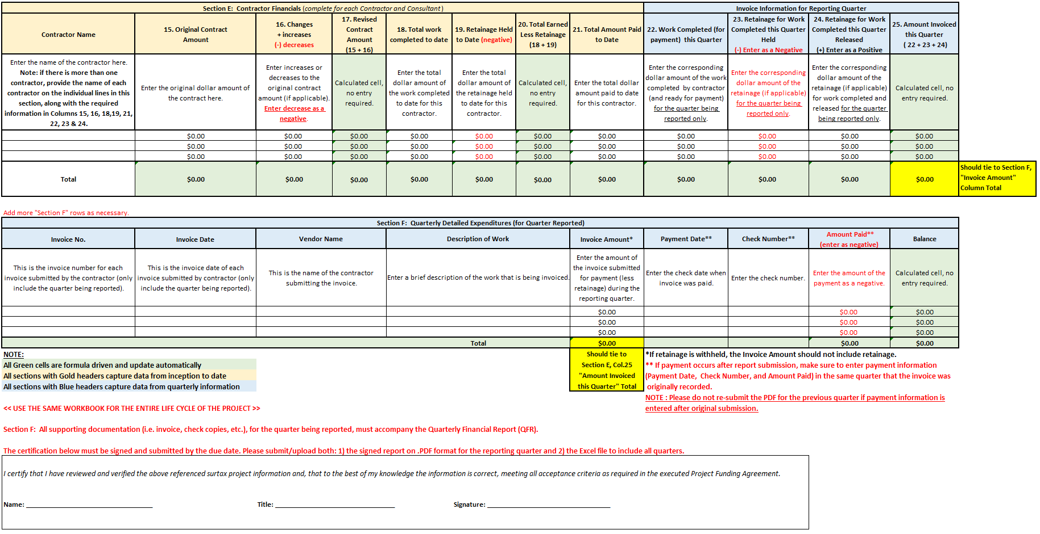
Municipal Surtax Project Financial Report
Overview and Instructions
Sections: A - F
 |  | UPDATED AS OF DECEMBER 1, 2023

I. - Overview:
This document should be used by the municipality to facilitate the quarterly and annual financial reporting of surtax-funded projects.
Please use this work book for the entire life cycle of the project. Do not create your own quarterly tabs, they are all created for you.
Financial Reporting Requirement:
Per Article 6.1 of the Project Funding Agreement (PFA), and unless waived by the Contract Administrator, Municipality must comply
with the financial reporting requirements (Exhibit C of the PFA), which state that the municipality submit to the County (Mobility
Advancement -MAP) and the Oversight Board on a quarterly and annual basis, a detailed Financial Report.

Due Date:
After the execution of the PFA, the due date of the first quarterly financial report (QFR) is established by either: (a) the date the
municipality receives its first advance payment or (b) the date the first expense is incurred, if no advance payment has been received.
For example, if the municipality receives its first advance payment during the month of November or has incurred expenses during
November, (but has not received the first advance payment), the due date for submitting the first QFR is February 15th
(45 days after the end of the applicable quarter). The due dates for quarterly financial reporting are presented below:

Month of First Advance Payment or Expense Incurred
January, February, March

April, May, June

July, August, September

October, November, December

Any quarterly financial reports received after the due date will be considered late and out of compliance with the
project funding agreement (PFA), unless waived by the Contract Administrator.
*Subsequent QFR due dates will be based on the date established for the first quarterly financial reporting. |  |  | Due Date of First Financial Quarterly Report*
Should the due date fall on a weekend, due date will be extended to the Monday following the weekend. |  |  | On or before May 15th
 |  |  | On or before August 15th
Annual financial reports are due no later than 180 days after the end of the reporting period. |  |  | On or before November 15th
 |  |  | On or before February 15th
II. - Preparation:
Before completing this form, review and become familiar with the articles and sections of the corresponding PFA relevant
to the Financial Report. They are:
a) | Article 5. FUNDING AND SURETY: Sections 5.1 - 5.4 and 5.6
b) | Article 6. TRANSPORTATION SURTAX PROJECT COORDINATION AND PARTICIPATION: Sections 6.1 and 6.2

III. - User Field Instructions:
Header:
Name of Municipality: Enter name in the Header box below.
Project ID: Enter the project identification as referenced in the PFA in the Header box below.
Project Name/Description: Enter the name of the project as referenced in the PFA in the Header box below.
Surtax Funding: Enter the maximum surtax funding payable by the County for this project on the 1a. Box in the quarter it was granted. Refer to the PFA, Section 5.4 which will provide this amount.
Non Surtax Funding: This row captures the leverage of the project. If applicable, enter the total amount awarded/committed to this project that is not from surtax funding in the box below

Please enter the following information:

Municipality:
Project ID:
Project Name / Description:
Surtax Funding:
Non-Surtax Funding:
Please use this work book for the entire life cycle of the project. Do not create your own quarterly tabs, they are all created for you.

IV.- Form Instructions
Section A: Total/Maximum Project Funding
 | Field |  | Instructions & Notes
1. | Surtax Maximum Funding Amount |  | The Data from the table above with fill in this amount. Refer to the PFA, Section 5.4 which will provide this amount.
1a. | Surtax Maximum Funding Amount Increase |  | If applicable, enter the maximum surtax funding increase for this project in the quarter it was approved. Refer to the PFA, Section 5.4 which will provide this amount.
2. | Non-Surtax Funding Awarded/Committed* |  | This row captures the leverage of the project. Amount will be entered from the table above, for example, additional local, state, and/or federal funding. *NOTE: The supporting documentation for each non-surtax funding source must be included with the first submission and for any subsequent changes.
2a. | Non-Surtax Funding Amount Increase |  | If applicable, enter the non-surtax funding increase for this project in the quarter it was approved.
3. | Total Project Funding (Total Lines 1 + 1a + 2 + 2a ) |  | This amount is the total funding for this project, from all sources. It is formula driven, and will not need to be entered.
4. | Less: Proceeds |  | If applicable, enter this amount as a minus. "Proceeds" represent any amounts (related to this surtax project), received by or credited to the municipality, from or on behalf of a contractor, consultant or sub-contractor. Examples of "Proceeds" are the total amount of refunds, liquidated damages, insurance proceeds, claim/ litigation proceeds. Enter this amount as a negative amount, as it should be subtracted from, and cannot exceed the Total Project Funding (Line 3). See Section 5.6 of PFA for more detail).
5. | Adjusted Project Funding (Line 3 minus Line 4) |  | This amount is the adjusted total funding for this project after "Proceeds" are subtracted. It is formula driven and will not need to be entered.

Section B: Funding Received to Date |  |  | Instructions & Notes
6. | Surtax Funding Received |  | First Time QFR Submission: Enter the surtax funds received for the quarter being reported only. The other 3 quarters should be zero. The "Fiscal Year to Date" and "Inception to Date Total" columns are formula driven and no data should be entered in those columns. Subsequent QFR Submissions: Only input the surtax funds received for the quarter being reported, no entry is necessary for the prior quarters submitted since those columns will be automatically populated by formula. The "Fiscal Year to Date" and "Inception to Date Total" columns are also formula driven and not data should be entered in those columns.
7. | Non-Surtax Funding Received (Leverage) |  | First-Time QFR Submission: Enter the non-surtax funds received (local, state, and/or federal funding) for the quarter being reported only. The other 3 quarters should be zero. The "Fiscal Year to Date" and "Inception to Date Total" columns are formula driven and no data should be entered in those columns. Subsequent QFR Submissions: Only input the non-surtax funds received for the quarter being reported, no entry is necessary for the prior quarters submitted since those columns will be automatically populated by formula. The "Fiscal Year to Date" and "Inception to Date Total" columns are also formula driven and not data should be entered in those columns.
8. | Total Project Funding Received (Total Lines 6 + 7 ) |  | This amount is the total funding received for this project, from all sources. It is formula driven and will not need to be entered.

Section C: Expenditures to Date |  |  | Instructions & Notes
9. | Surtax Funding Expended |  | First Time QFR Submission: Enter the surtax funds expended for the quarter being reported only. The other 3 quarters should be zero. The "Fiscal Year to Date" and "Inception to Date Total" columns are formula driven and no data should be entered in those columns. Subsequent QFR Submissions: Only input the surtax funds expended for the quarter being reported, no entry is necessary for the prior quarters submitted since those columns will be automatically populated by formula. The "Fiscal Year to Date" and "Inception to Date Total" columns are also formula driven and not data should be entered in those columns.
10. | Non-Surtax Funding Expended |  | First-Time QFR Submission: Enter the non-surtax funds expended (local, state, and/or federal funding) for the quarter being reported only. The other 3 quarters should be zero. The "Fiscal Year to Date" and "Inception to Date Total" columns are formula driven and no data should be entered in those columns. Subsequent QFR Submissions: Only input the non-surtax funds expended for the quarter being reported, no entry is necessary for the prior quarters submitted since those columns will be automatically populated by formula. The "Fiscal Year to Date" and "Inception to Date Total" columns are also formula driven and not data should be entered in those columns.
11. | Total Project Funding Expended (Total Lines 9 + 10 ) |  | This amount is the total funding received for this project, from all sources. It is formula driven and will not need to be entered.

Section D: Available Funding to Date |  |  | Instructions & Notes
12. | Adjusted Project Funding |  | This cell is formula driven and is equal to Line 5 above
13. | Total Project Funding Expended to Date |  | This cell is formula driven and is equal to Line 11 above
14. | Available Project Funding to Date |  | This is formula driven and is the adjusted project funding amount less the total project funding expended to date on the project.

